ART
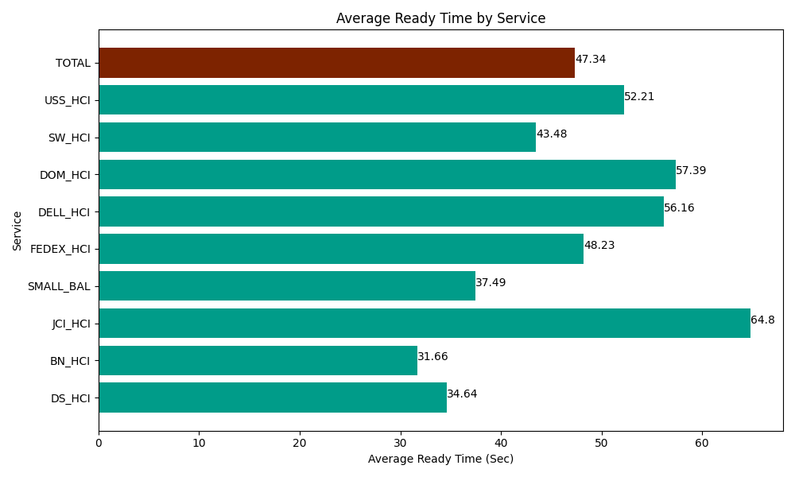
Date | Service | Successful Op Transfer | In Call (Sec) | Ready (Sec) | Wrapup (Sec) | Not Ready (Sec) | Average Ready Time (Sec)
06-17-2024 | DS_HCI | 563 | 37168.798828 | 19504.200439 | 79966.201172 | 58942.800293 | 34.64
06-17-2024 | BN_HCI | 1079 | 47374.801025 | 34162.800293 | 91273.198242 | 60482.999268 | 31.66
06-17-2024 | JCI_HCI | 101 | 8824.8001099 | 6544.8001099 | 8985 | 2395.8000183 | 64.8
06-17-2024 | SMALL_BAL | 149 | 8938.7997437 | 5585.9999084 | 12846.000366 | 18589.799194 | 37.49
06-17-2024 | FEDEX_HCI | 145 | 15232.199707 | 6993.0001831 | 10596.000366 | 14726.999817 | 48.23
06-17-2024 | DELL_HCI | 141 | 12158.999634 | 7918.7997437 | 49843.198242 | 18652.199707 | 56.16
06-17-2024 | DOM_HCI | 96 | 8431.7999268 | 5509.8001099 | 12383.999634 | 7654.8001099 | 57.39
06-17-2024 | SW_HCI | 175 | 6355.8000183 | 7609.1999817 | 11260.799561 | 8278.7997437 | 43.48
06-17-2024 | USS_HCI | 303 | 38267.999268 | 15818.999634 | 66150 | 24793.200073 | 52.21
 | TOTAL | 2752 | 182753.99826 | 109647.6004 | 343304.39758 | 214517.39822 | 47.34

